Figure 8.9
Draft TV Commercials |  |  | M2

Parameters |  |  |  | Outputs
Budget | 100 |  |  |  | Max RE | #NAME?
Ad Cost | 5 |  |  |  | N* | #NAME?
RE multiplier | 1000
Mean NDR | 0.50
SD NDR | 0.25

 |  |  |  |  |  |  |  |  |  |  | TRI-1 Draft X
Drafts | 1 | 2 | 3 | 4 | 5 | 6 | 7 | 8 | 9 | 10

NDR | #NAME? | #NAME? | #NAME? | #NAME? | #NAME? | #NAME? | #NAME? | #NAME? | #NAME? | #NAME?
 |  | #NAME? | #NAME? | #NAME? | #NAME? | #NAME? | #NAME? | #NAME? | #NAME? | #NAME?
 |  |  | #NAME? | #NAME? | #NAME? | #NAME? | #NAME? | #NAME? | #NAME? | #NAME?
 |  |  |  | #NAME? | #NAME? | #NAME? | #NAME? | #NAME? | #NAME? | #NAME?
 |  |  |  |  | #NAME? | #NAME? | #NAME? | #NAME? | #NAME? | #NAME?
 |  |  |  |  |  | #NAME? | #NAME? | #NAME? | #NAME? | #NAME?
 |  |  |  |  |  |  | #NAME? | #NAME? | #NAME? | #NAME?
 |  |  |  |  |  |  |  | #NAME? | #NAME? | #NAME?
 |  |  |  |  |  |  |  |  | #NAME? | #NAME?
 |  |  |  |  |  |  |  |  |  | #NAME?

Maximum NDR | #NAME? | #NAME? | #NAME? | #NAME? | #NAME? | #NAME? | #NAME? | #NAME? | #NAME? | #NAME?

Retained Impressions/$ | #NAME? | #NAME? | #NAME? | #NAME? | #NAME? | #NAME? | #NAME? | #NAME? | #NAME? | #NAME?

Total Retained Impressions | #NAME? | #NAME? | #NAME? | #NAME? | #NAME? | #NAME? | #NAME? | #NAME? | #NAME? | #NAME?
 | 1 | 2 | 3 | 4 | 5 | 6 | 7 | 8 | 9 | 10
Mean RI | #NAME? | #NAME? | #NAME? | #NAME? | #NAME? | #NAME? | #NAME? | #NAME? | #NAME? | #NAME?

 | 1 | 2 | 3 | 4 | 5 | 6 | 7 | 8 | 9 | 10
Maximum NDR | #NAME? | #NAME? | #NAME? | #NAME? | #NAME? | #NAME? | #NAME? | #NAME? | #NAME? | #NAME?
Cost of Drafts | 5 | 10 | 15 | 20 | 25 | 30 | 35 | 40 | 45 | 50

Figure 8.13
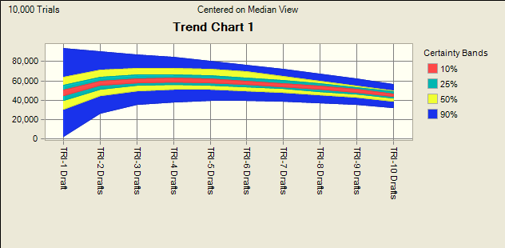

Figure 8.16
